Turn_Restriction
Seq. | AXF Table | AXF Column | AXF Value | OSM Table | OSM Column | OSM Key | OSM Value | Rule
1 | RoadCrossMaat RoadNodeMaat | MAAT |  | relations | id |  | (AXF_value)
2 | RoadCrossMaat RoadNodeMaat | MAAT |  | relation_members | relation_id |  | (AXF_value)
3 | RoadCrossMaat RoadNodeMaat | RULE | !=0 | relations | tags | type | restriction
 | RoadNodeRule RoadCrossRule | RULE_SIGN | 1 |  | tags | restriction | no_left_turn
 | RoadNodeRule RoadCrossRule | RULE_SIGN | 2 |  |  |  | no_right_turn
 | RoadNodeRule RoadCrossRule | RULE_SIGN | 4,5 |  |  |  | no_u_turn
 | RoadNodeRule RoadCrossRule | RULE_SIGN | 3 |  |  |  | no_straight_on
 |  |  |  | relations | tags | u_turn_allowed | yes
两线禁转 | RoadNode | NODE_ID |  | relation_members | member_id |  | (AXF_value) | RoadNodeMatt.Node->RoadNode.Node, RoadNode.Node_ID
 |  |  |  |  | member_type |  | N
 |  |  |  |  | member_role |  | via
 |  |  |  |  | sequence_id |  | 1
 | RoadNodeMaat | From_road |  | relation_members | member_id |  | (AXF_value)
 |  |  |  |  | member_type |  | W
 |  |  |  |  | member_role |  | from
 |  |  |  |  | sequence_id |  | 0
 | RoadNodeMaat | To_road |  | relation_members | member_id |  | (AXF_value)
 |  |  |  |  | member_type |  | W
 |  |  |  |  | member_role |  | to
 |  |  |  |  | sequence_id |  | 2
多线禁转 | RoadCrossSaat | Road, if use road_id, can link to roadsegment table. |  | relation_members | member_id |  | (AXF_value) | 获取禁止左转作用的全路径方法： Step1：根据RoadCrossMaat找到RoadCross（RoadCrossMaat表NODE字段等于RoadCross表 NODE字段）； Step2：根据C1找到其子节点N1\N2\N3\N4（RoadNode:: COMP_NODE=RoadCross::NODE）； Step3：获取与FromRoad和ToRoad相关的节点（分别为N1和N3）； Step4：计算N1至N3仅使用综合交叉点内Link能到达的所有via路径（本例via路径为N1-2-3-N3）； Step5：使用FromRoad、via路径、ToRoad得出全路径1-2-3-4；
4
1
C1
2
3
5
6
禁止左转
C1为总合交叉点ID
N1-N4为节点ID
1-6为道路ID
N1
N2
N3
N4
 |  |  |  |  | member_type |  | W
 |  |  |  |  | member_role |  | via
 |  |  |  |  | sequence_id |  | 1 through the second largest number
 | RoadCrossMaat | From_road |  | relation_members | member_id |  | (AXF_value)
 |  |  |  |  | member_type |  | W
 |  |  |  |  | member_role |  | from
 |  |  |  |  | sequence_id |  | 0
 | RoadCrossMaat | To_road |  | relation_members | member_id |  | (AXF_value)
 |  |  |  |  | member_type |  | W
 |  |  |  |  | member_role |  | to
 |  |  |  |  | sequence_id |  | the largest number
10 | RoadNodeRule RoadCrossRule | rule_flag | 0 | relations | tags | rdm_type | 1 | Legal
 |  |  |  | relations | tags | rdm_type | 2 | Physical
 |  |  | 1 | relations | tags | rdm_type | 3 | Logical
11 |  |  |  | relations | tags | pdm_type | 1 | Legal

1 | RoadRule | Rule_id |  | relations | id |  | (AXF_value)
2 | RoadRule | Rule_id |  | relation_members | relation_id |  | (AXF_value)
3 | roadsegment, roadrule | RULE | !=0 and rule_type include bit 3,bit4 | relations | tags | type | restriction
 |  |  |  |  | tags | restriction | no_left_turn
 |  |  |  |  |  |  | no_right_turn
 | roadrule | rule_type | include bit 3, bit 4 |  |  |  | no_u_turn
 |  |  |  |  |  |  | no_straight_on
 |  |  |  | relations | tags | u_turn_allowed | yes
单线禁转 | roadsegment | fnode/tnode |  | relation_members | member_id |  | (AXF_value) | 如果路为单向路，则判断矢量方向和行驶方向来确定node点为FNODE还是TNODE，只生成一条禁转信息即可。如果路为双向路，则FNODE和TNODE各生成一条禁转信息。
 |  |  |  |  | member_type |  | N
 |  |  |  |  | member_role |  | via
 |  |  |  |  | sequence_id |  | 1
 | roadsegment | road_id |  | relation_members | member_id |  | (AXF_value)
 |  |  |  |  | member_type |  | W
 |  |  |  |  | member_role |  | from
 |  |  |  |  | sequence_id |  | 0
 | roadsegment | road_id |  | relation_members | member_id |  | (AXF_value)
 |  |  |  |  | member_type |  | W
 |  |  |  |  | member_role |  | to
 |  |  |  |  | sequence_id |  | 2
10 | RoadRule | rule_flag | 0 | relations | tags | rdm_type | 1 | Legal
 |  |  |  | relations | tags | rdm_type | 2 | Physical
 |  |  | 1 | relations | tags | rdm_type | 3 | Logical
11 |  |  |  | relations | tags | pdm_type | 1 | Legal

 |  | roadnoderule/roadcrossrule/roadrule.vehicle
 |  | Vehicle Type Position | value | OSM value
 |  | 全部车辆 Bit31 | 80000000 | motocar,truck,foot
 |  | 小轿车 Bit30 | 40000000 | motocar
 |  | 微型车 Bit29 | 20000000 | motocar
 |  | 小型卡/货车 Bit28 | 10000000 | truck
 |  | 大卡/货车 Bit27 | 5000000 | truck
 |  | 拖/挂车 Bit26 | 2500000
 |  | 小型客车 Bit25 | 1250000
 |  | 大型客车 Bit24 | 625000
 |  | …… ……
 |  | 行人 Bit0 | 1 | foot

 |  | roadnoderule/roadcrossrule.rule_type |  | roadrule.rule_type
 |  | 用位（从右到左）标识交通限制的类型， |  | 用位（从右到左）标识交通限制的类型，
 |  | 如下： |  | 如下：
 |  | Bit0：0-时间限制/1-全天限制 (24 小时 |  | Bit0：0-时间限制/1-全天限制 (24 小时
 |  | 限制) |  | 限制)
 |  | Bit1：0-无外埠限制/1-外埠限制 |  | Bit1：0-无外埠限制/1-外埠限制
 |  | Bit2：0-无车辆限制/1-车辆限制 |  | Bit2：0-无车辆限制/1-车辆限制
 |  | 即，取值范围为0~7，如3 表示Bit0- |  | Bit3：禁止左掉头
 |  | 全天限制+Bit1-外埠限制。 |  | Bit4：禁止右掉头
 |  |  |  | Bit5：禁止长时停放
 |  |  |  | Bit6：禁止临时或长时停放
 |  |  |  | Bit7：禁止通行
 |  |  |  | Bit8：禁止驶入
 |  |  |  | Bit9：限制高度
 |  |  |  | Bit10：限制宽度
 |  |  |  | Bit11：限制质量（限重）
 |  |  |  | Bit12：限制轴重
 |  |  |  | Bit13：区域限制[需与其它有效类型共
 |  |  |  | 同使用]
 |  |  |  | 默认值：1，十六进制表达二进制意义。

Traffic_Signal
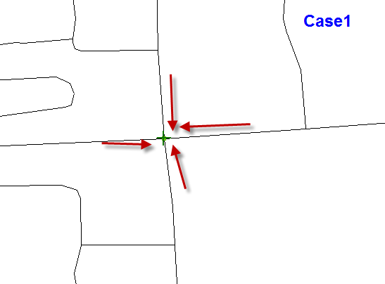
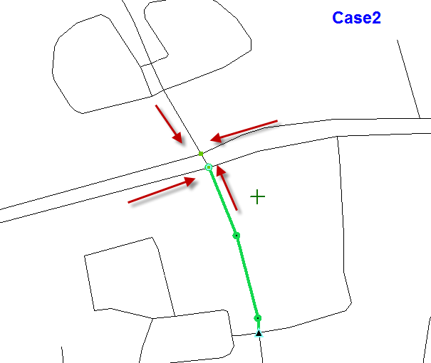
Seq | AXF Table | AXF Column | AXF Value | OSM Table | OSM Column | OSM Key | OSM Value | Rule | Comment
1 | Roadnode/Roadcross |  |  | relations | id |  | need to compute

2 |  | signlight | 1 |  | tags | type | traffic_signals
3 |  | n/a |  |  |  | location | Left
4
 |  |  |  |  |  |  | Right

 |  |  |  |  |  |  | Overhead

5 | roadsegment | vehicle | (AXF Value) | relations | tags | applicable_to | (AXF Value)
6 |  | X_COORD | (AXF Value) | nodes | geom |  | coordinates generated from AXF value
 |  | Y_COORD
7 | roadsegment |  |  |  | id |  | need to compute
8 |  | ROAD | (AXF Value) | relation_members | member_id |  | id generated based on ROAD
9 |  |  |  |  | member_type |  | W | compute the linked road by roadnode.node=roadsegment.fnode/tnode
10 |  |  |  |  | member_role |  | from
11 |  |  |  |  | sequence_id |  | 0
12 | Roadnode/Roadcross |  |  |  | member_id |  | id generated based on NODE | if roadcross, need to find the linked roadnode by comp_node
13 |  |  |  |  | member_type |  | N
14 |  |  |  |  | member_role |  | via
15 |  |  |  |  | sequence_id |  | 1

